1
IMAGE | STYLE CODE | DESCRIPTION | SIZE | COLORS | PCS
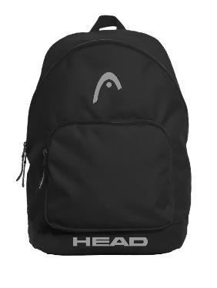 | HBK045 | BASIC BACKPACK | 42 H X 31L X 19 W | BLACK | 1360
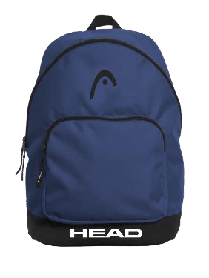 |  |  |  | NAVY | 1360
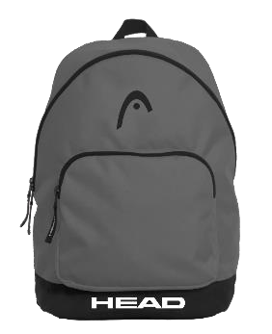 |  |  |  | GREY | 1360
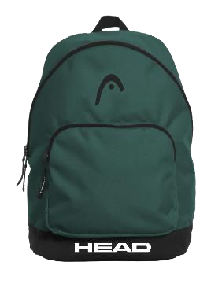 |  |  |  | GREEN | 1360
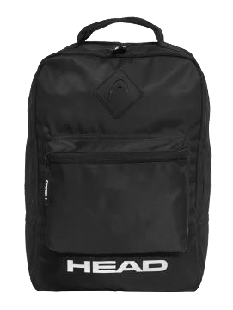 | HBK047 | BASIC SQUARED BACKPACK | 40H X 28L X 13W | BLACK | 1000
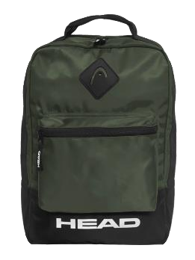 |  |  |  | ARMY | 1000
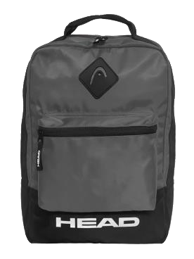 |  |  |  | GREY | 1000
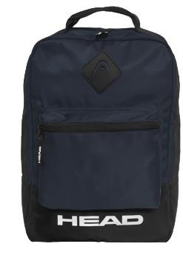 |  |  |  | NAVY | 1000
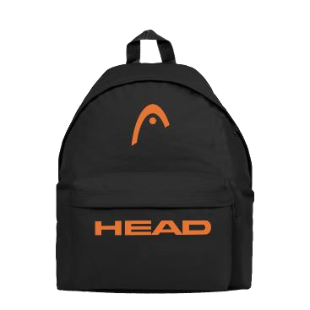 | HBK050 | DAY BACKPACK | 38H X 28L X 16W | BLACK | 1200
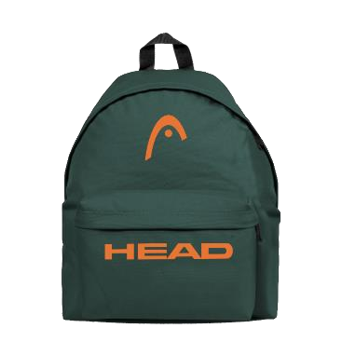 |  |  |  | GREEN | 1200
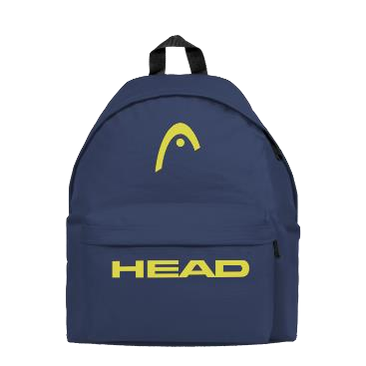 |  |  |  | NAVY | 1200
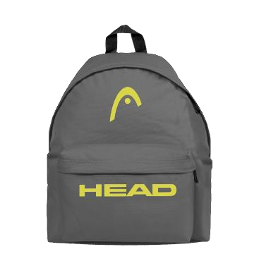 |  |  |  | GREY | 1200
 |  |  |  |  | 14240

